Sheet4


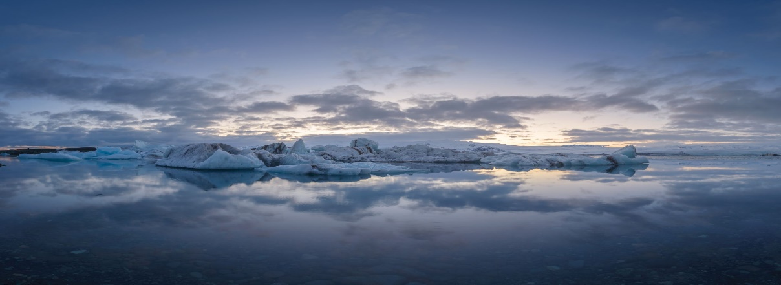

HELLO INDIA

PL GRAPH
 | JAN | FEB | MAR | APR | MAY | JUN | JUL
EXPENDITURE | 15000 | 17000 | 15000 | 18000 | 14500 | 13000 | 16000
INCOME | 20000 | 15000 | 12000 | 22000 | 17500 | 15000 | 19000
P/L | 5000 | -2000 | -3000 | 4000 | 3000 | 2000 | 3000

P/L CHART

BAR CHART
 | DELHI | UP | BIHAR | HARYANA | RAJASTHAN | UTTRAKHAND | H.P | M.P
INFECTED | 10000 | 12000 | 5000 | 12000 | 7500 | 4000 | 8000 | 7500
RECOVERED | 3000 | 7000 | 4500 | 8000 | 1000 | 2000 | 6000 | 3000

Sheet7
RENT | SALARY | TRAVEL | ELECTRICITY | MISC
30000 | 9000 | 15000 | 20000 | 40000

3D PIE
AGE | 18-60 | SENIOR | BELOW 18
POPULATION | 10,000,000 | 5,000,000 | 7,000,000

Sheet5
CAR AGE | 5 | 4 | 4 | 6 | 7 | 2 | 3 | 5 | 6 | 8 | 9
PRICE | 120,000 | 200,000 | 190,000 | 100,000 | 80,000 | 400,000 | 300,000 | 150,000 | 140,000 | 80,000 | 70,000

WORD ART
CAR AGE | 5 | 4 | 4 | 6 | 7 | 2 | 3 | 5 | 6 | 8 | 9
PRICE | 120,000 | 200,000 | 190,000 | 100,000 | 80,000 | 400,000 | 300,000 | 150,000 | 140,000 | 80,000 | 70,000

REAL MADRID

 |  |  | #

